Sheet1
PROJECT TITLE | 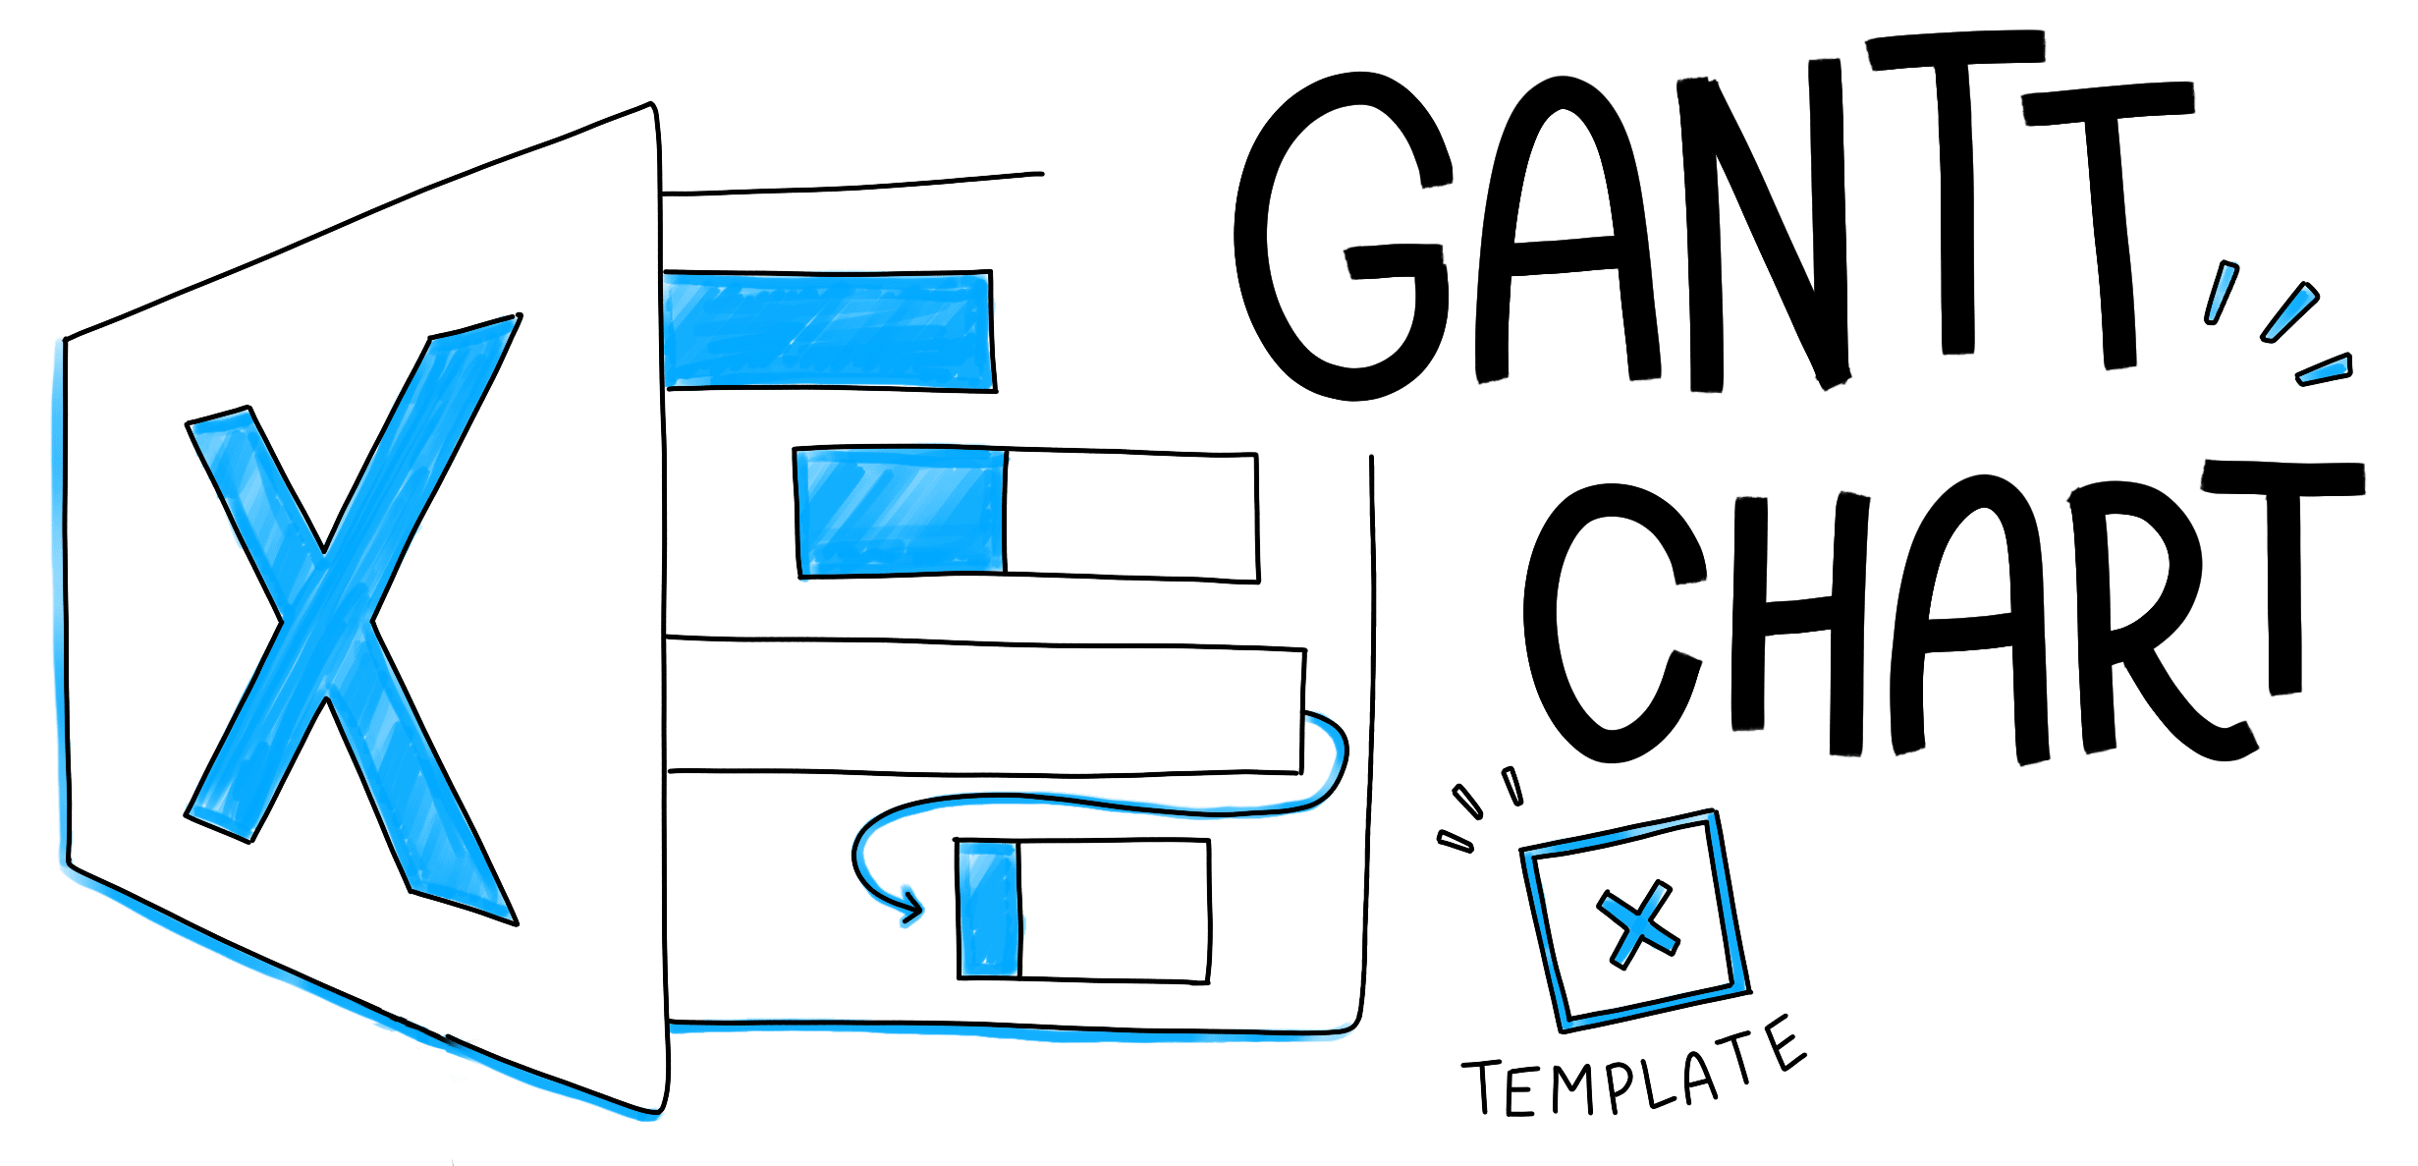
Company Name
Project Lead

Sample Project Gantt Chart
TASK NAME | ASSIGNED TO | START DATE | DUE DATE | DURATION | % DONE | DESCRIPTION | PRIORITY | SPRINT/MILESTONE
Normalization |  | 2018-10-15 | 2018-10-18 | 3 |  |  |  | Phase 1
Feature Selection |  | 2018-10-17 | 2018-10-21 | 4 |  |  |  | Phase 1
Data Selection |  | 2018-10-20 | 2018-10-24 | 4 |  |  |  | Phase 1
Implementation |  | 2018-10-23 | 2018-11-03 | 11 |  |  |  | Phase 1
Validation |  | 2018-10-28 | 2018-10-29 | 1 |  |  |  | Phase 1
Confusion Matrix |  | 2018-10-29 | 2018-11-01 | 3 |  |  |  | Phase 1
Accuracy Plot |  | 2018-11-01 | 2018-11-02 | 1 |  |  |  | Phase 1
Presentation Preparation |  | 2018-11-01 | 2018-11-07 | 6 |  |  |  | Phase 1
Task 9 |  | 2018-02-03 | 2018-02-09 | 6 |  |  |  | Phase 2
Task 10 |  | 2018-02-06 | 2018-02-10 | 4 |  |  |  | Phase 2
Task 11 |  | 2018-02-07 | 2018-02-13 | 6 |  |  |  | Phase 3
Task 12 |  | 2018-02-10 | 2018-02-16 | 6 |  |  |  | Phase 3
Task 13 |  | 2018-02-14 | 2018-02-19 | 5 |  |  |  | Phase 3
Task 14 |  | 2018-02-15 | 2018-02-23 | 8 |  |  |  | Phase 3
Task 15 |  | 2018-02-16 | 2018-02-26 | 10 |  |  |  | Phase 4
Task 16 |  | 2018-02-20 | 2018-02-28 | 8 |  |  |  | Phase 4
Task 17 |  | 2018-02-24 | 2018-03-01 | 5 |  |  |  | Phase 4

